Sheet1
Picture | Item# | Description | UPC# | Case Pack | Available Cases | Total Qty | Date
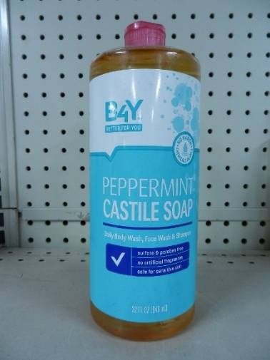 |  | B4Y Peppermint Castile Soap, Daily Body Wash, Face Wash & Shampoo. 32oz | 011822-614702 | 6 | 8 | 48 | Coded
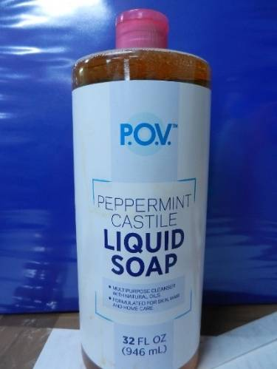 |  | POV Peppermint Castille Liquid Soap. 32oz | 067153-948436 | 6 | 199 | 1194 | Coded
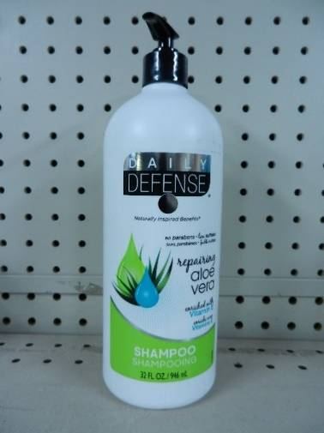 |  | Daily Defense Repairing Aloe Vera Shampoo 32oz | 870223-002460 | 6 | 350 | 2100 | Coded
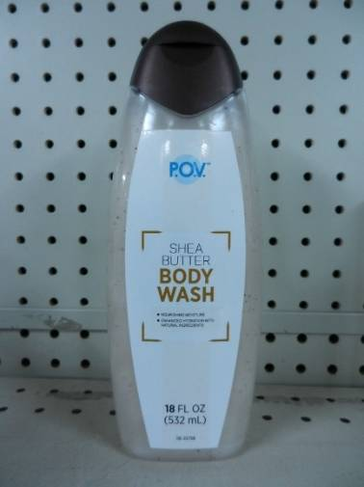 |  | POV Shea Butter Body Wash. Net Wt. 18oz | 067153-948368 | 6 | 175 | 1050 | Coded
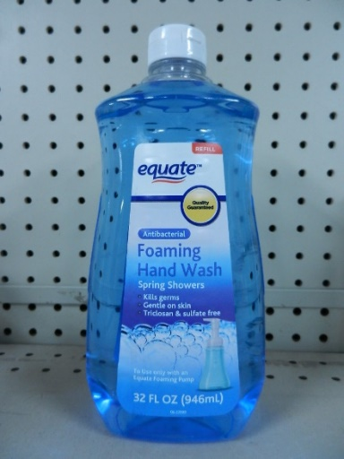 |  | Equate Antibacterial Foaming Hand Soap 32oz. | 681131-050975 | 3 | 1295 | 3885
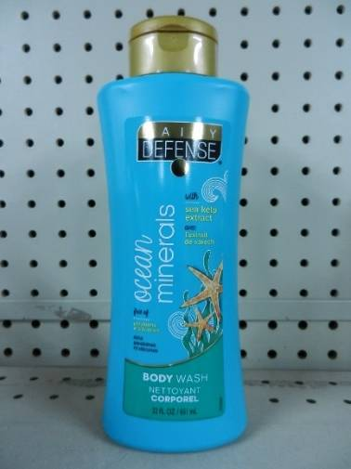 |  | Daily Defense Ocean Minerals Body Wash 22oz. | 870223-002422 | 12 | 52 | 624 | Coded
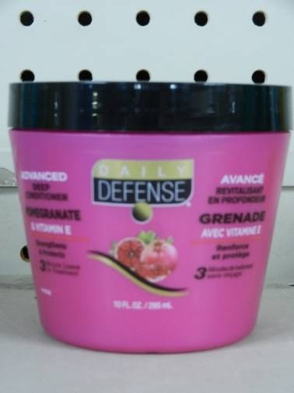 |  | Daily Defence Deep Pomegranate & Vitamin E. Net Wt. 10oz | 870223-001968 | 6 | 528 | 3168 | Coded
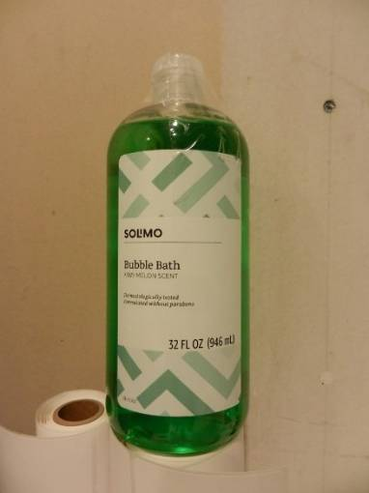 |  | Solmo Bubble Bath Kiwi Melon Scent. Net Wt. 32oz | 842379-151248 | 6 | 45 | 270 | Coded
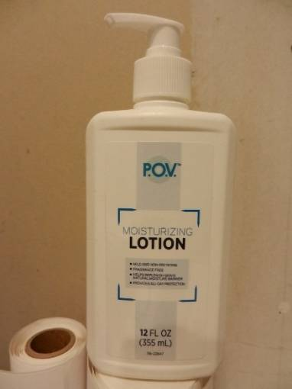 |  | POV Moisturizing Lotion. Net Wt. 12oz | 067153-948993 | 6 | 49 | 294 | Coded
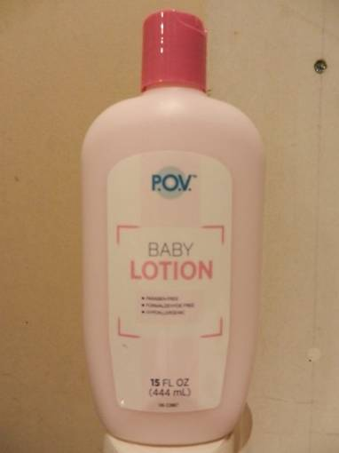 |  | POV Baby Moisturizing Lotion Fragrance Free. 15oz | 067153-949105 | 6 | 137 | 822 | Coded
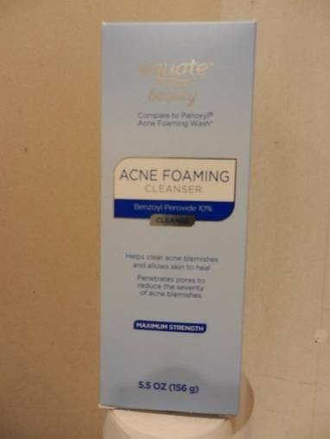 |  | Equate Beauty Acne Foaming Cleanser. Net Wt. 5.5oz | 681131-169455 | 2/6 | 141 | 1692 | Coded
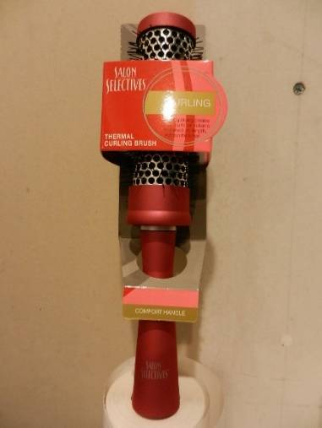 |  | Salon Selectives Thermal Curling Brush. | 870223-024813 | 48 | 12 | sold | Coded
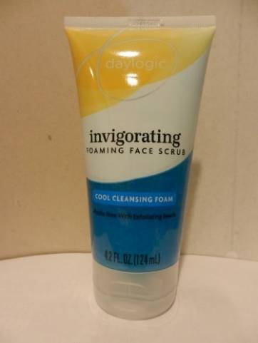 |  | Daylogic Invigorating Foaming Face Scrub. Cool Cleansing Foam. 4.2oz | 011822-618496 | 6 | 485 | 2910 | Coded
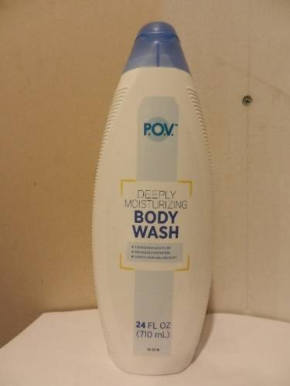 |  | POV Deeply Moisturizing Body Wash. 24oz | 067153-948177 | 6 | 272 | 1632 | cloded
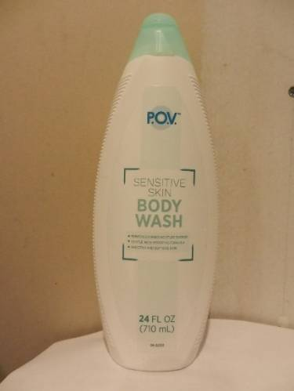 |  | POV Sensitive Skin Body Wash. 24oz | 067153-978184 | 6 | 165 | 990 | Coded
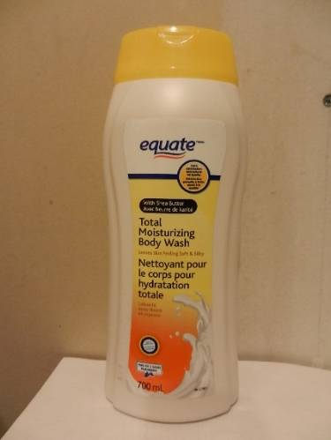 |  | Equate Total Moisturizing Body Wash. 700ml | 067153-921934 | 6 | 390 | 2340 | Coded
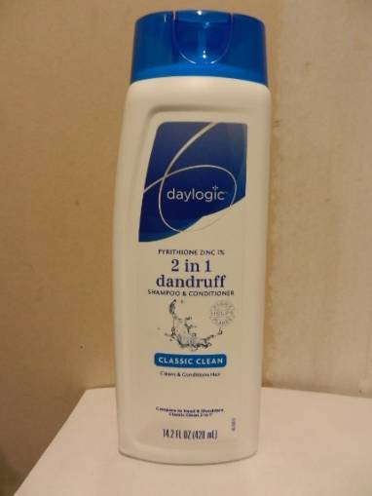 |  | Daylogic 2 in 1 Dandruff Shampoo & Conditioner. Classic Clean. Net Wt. 14.2oz | 010994-001914 | 6 | 452 | 2712 | Coded
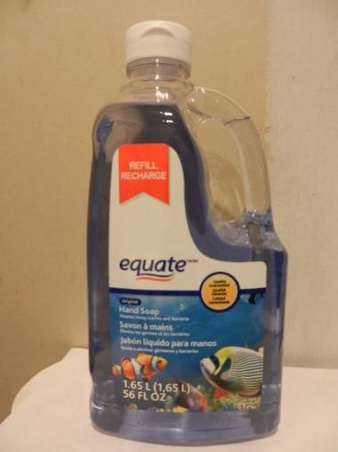 |  | Equate Original Liquid Hand Soap. 56oz | 681131-052054 | 6 | 479 | 2874 | Coded
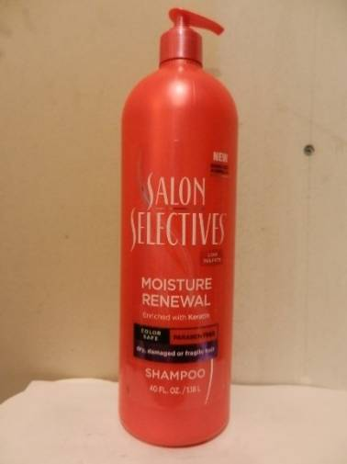 |  | Salon Selectives Moisture Renewal Shampoo. Net Wt. 40oz | 870223-025292 | 6 | 429 | 2574 | Coded
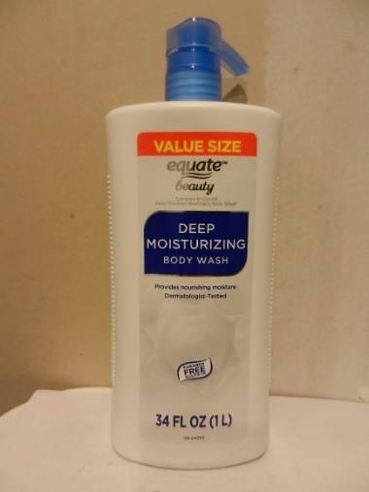 |  | Equate Value Size Deep Moisturizing Body Wash. Net Wt. 34oz. | 68131-050029 | 3 | 1027 | 3081 | Coded
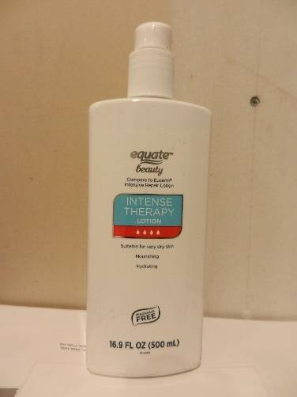 |  | Equate Beauty Intense Therapy Lotion. Net Wt. 16.9oz | 68113-130691 | 6 | 90 | 540 | Coded | 68+63
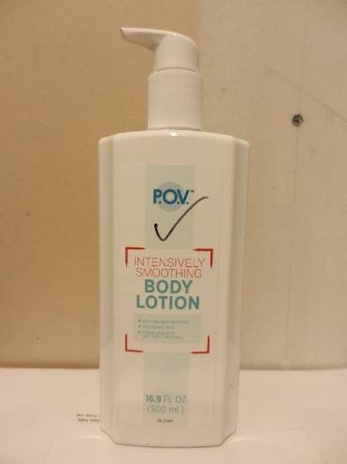 |  | POV Intensively Smoothing Body Lotion. 16.9oz | 067153-948986 | 6 | 67 | 402 | Coded
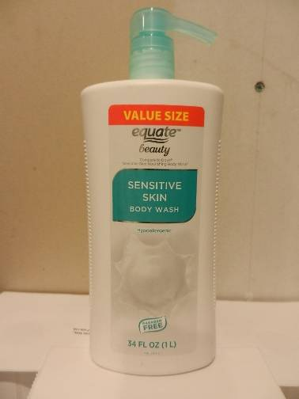 |  | Equate Beauty Value Size Sensitive Skin Body Wash. Net Wt. 34oz | 681131-052481 | 3 | 544 | 1632 | Coded
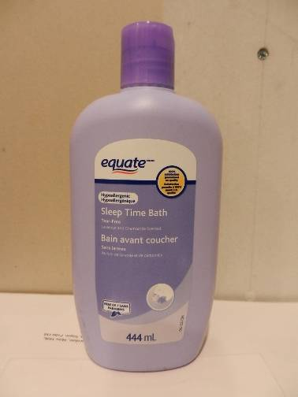 |  | Equate Sleep Time Bath. Net. Wt. 444ml | 628915-640991 | 6 | 360 | 2160 | Coded
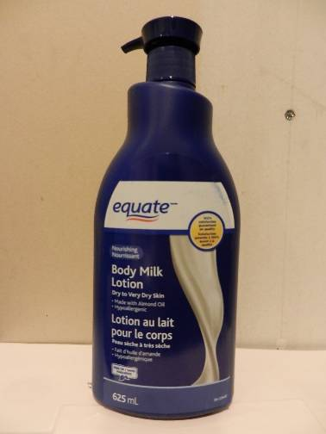 |  | Equate Body Milk Lotion. Net Wt. 625ml | 628915-641103 | 6 | 503 | 3018 | Coded
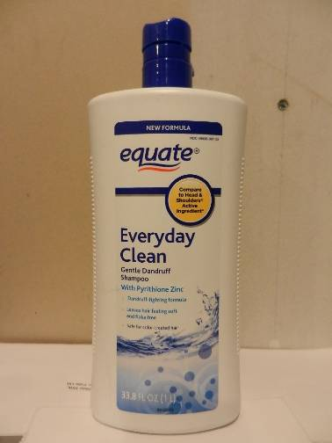 |  | Equate Everday Clean Gentle Dandruff Shampoo. Net Wt. 33.8oz | 681131-068727 | 3 | 617 | 1851 | coded
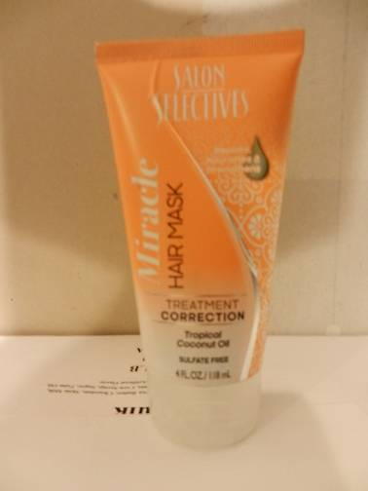 |  | Salon Selectives Miracle Hair Mask Treatment. 4oz | 870223-023014 | 12 | 175 | 2100 | coded
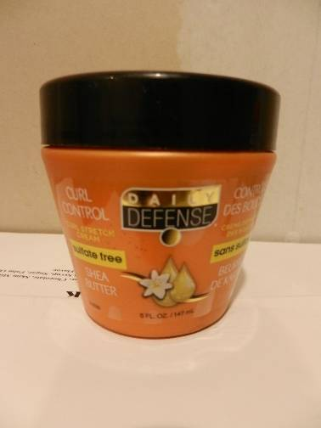 |  | Daily Defense Curl Control Sulfate free. Shea Butter. Net Wt. 5 oz | 870223-023083 | 12 | 64 | 768 | Coded
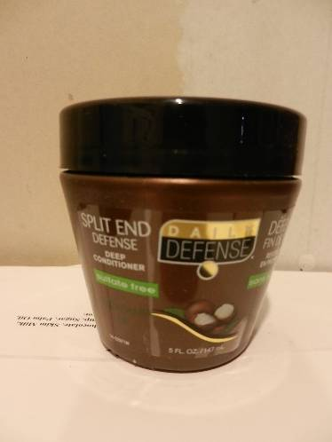 |  | Daily Defense Split End Defense Deep Conditioner Sulfate free. Net. Wt. 5oz | 870223-029719 | 12 | 305 | 3660 | Coded
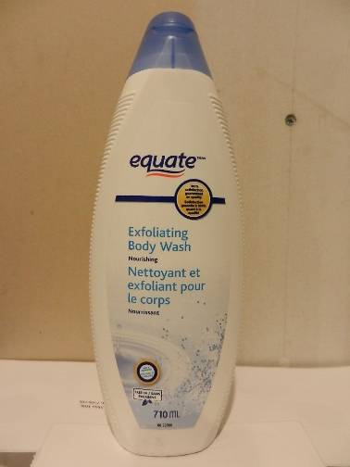 |  | Equate Exfoliating Body Wash. Net Wt. 710ml | 067153-94006 | 6 | 17 | 102 | Coded
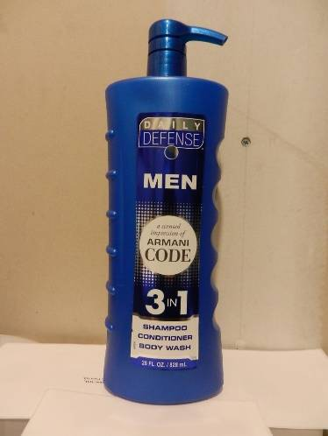 |  | Daily Defense Men Armani Code 3 in 1 Shampoo, Conditioner, Body Wash. Net Wt. 28oz. | 870223-025698 | 3 | 134 | 402 | Coded | 416
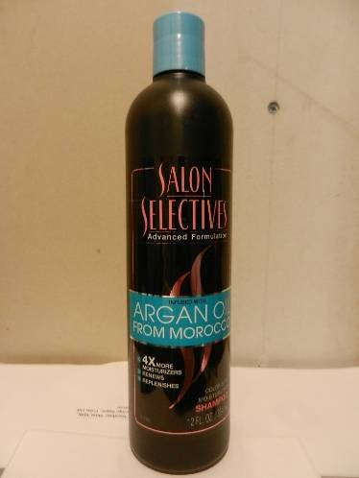 |  | Salon Selectives Argan Oil from Morocco. Color Safe Moisturizing Shampoo. Net Wt. 12oz | 870223-028804 | 12 | 100 | 1200 | Coded
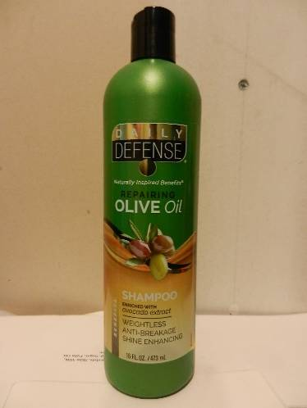 |  | Daily Defense Repairing Olive Oil Shampoo Enriched with Avocado Extract. Net Wt. 16oz | 870223-002286 | 12 | 109 | 1308 | Coded
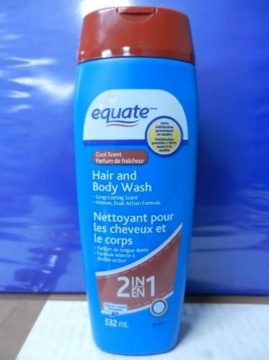 |  | Equate Hair and Body Wash 2 in 1, 19oz 532ml | 628915-167245 | 4 | 1000 | 4000 | Coded
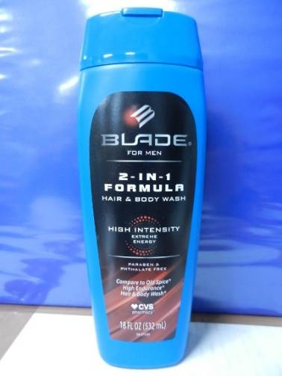 |  | CVS Blade for Men 2 in 1 Formula Hair & Body Wash. 18oz. | 050428-382936 | 6 | 298 | 1788 | Coded
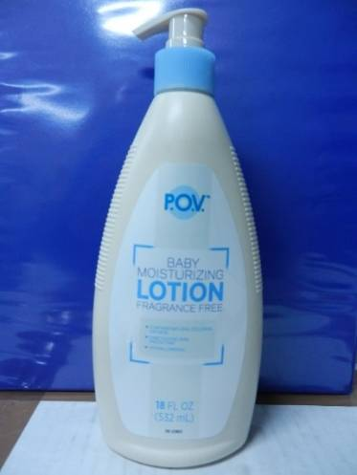 |  | POV Baby Moisturizing Lotion Fragrance Free. 18oz | 067153-94908 | 6 | 30 | 180 | Coded
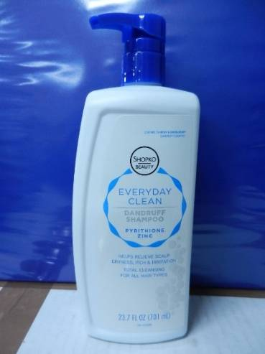 |  | Shopko Everyday Clean Dandruff Shampoo. Pyrithione Zinc. 23.7oz | 010994-000160 | 6 | 503 | 3018 | Coded
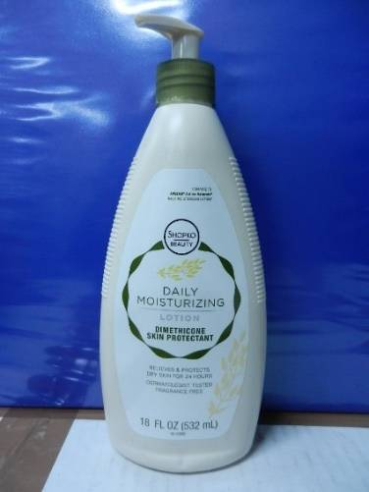 |  | Shopko daily Moisturizing Lotion Dimethicone Skin Protectant. 18oz. | 010994-000238 | 6 | 473 | 2838 | Coded
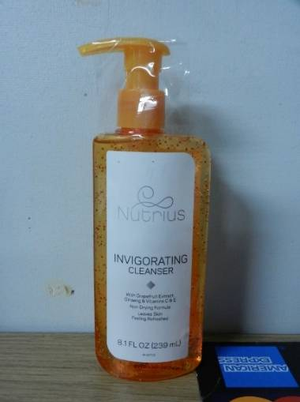 |  | Nutrius Invigorating Cleanser With grapefruit Extract, Ginseng & Vitamins C & E. 8.1oz | 067153-949365 | 3 | 503 | 1509 | Coded
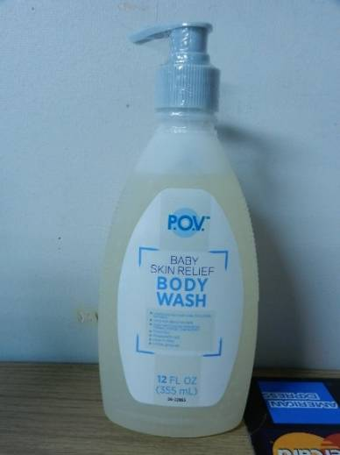 |  | POV Baby Skin Relief Body Wash. 12oz | 067153-949099 | 6 | 11 | 66 | coded
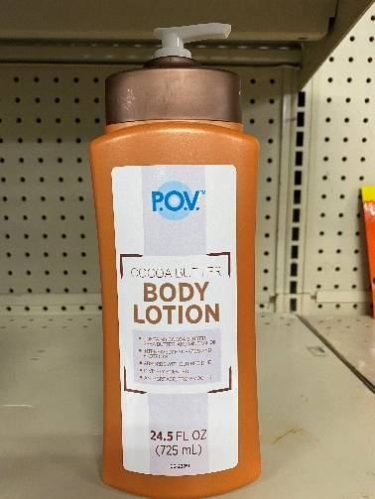 |  | POV Cocoa Butter Body Lotion. 24.5oz | 067153-949013 | 6 | 68 | 408 | Coded
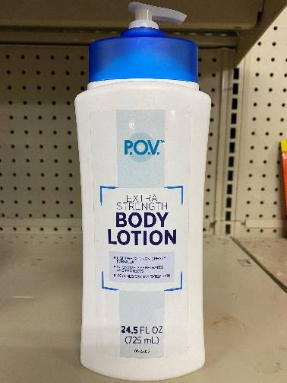 |  | POV Extra Stength Body Lotion. 24.5oz. | 067153-949037 | 6 | 57 | 342 | Coded
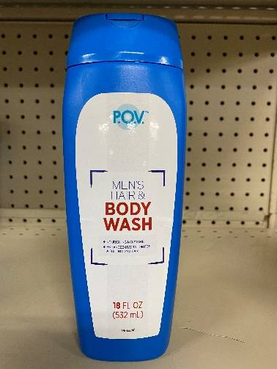 |  | POV Men's Body Wash 18oz | 067153-948313 | 4 | 92 | 368 | Coded
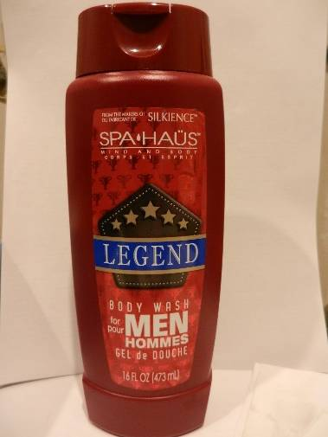 |  | Spa Haus Mind and Body Legend Body Wash for Men. 16oz | 870929-002139 | 6 | 2668 | 16008 | Coded
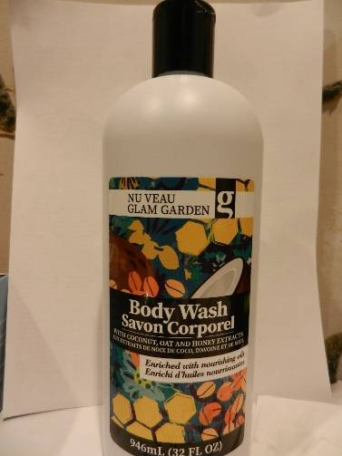 |  | Glam Garden Body Wash Savon Corporel. 32oz | 870929-008889 | 12 | 84 | 1008 | coded
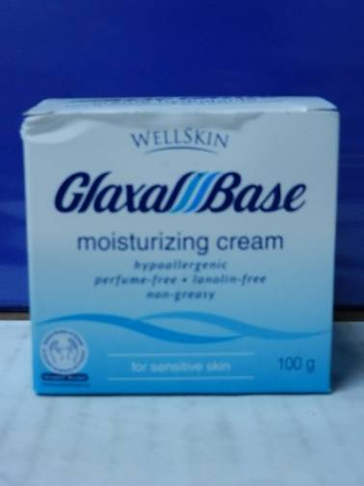 |  | Wellskin Glaxal Base Moisturizing Cream. Relief for Sensitive Skin. Net Wt. 100g | 365197-323012 | 24 | 171 | 4104 | Coded
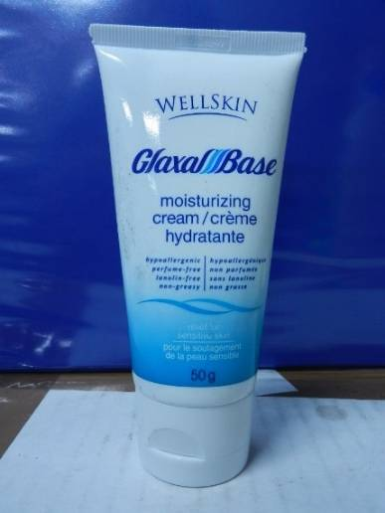 |  | Wellskin Glaxal Base moisturizing cream. 50g | 365197-323500 | 6 | 574 | 3444 | Coded
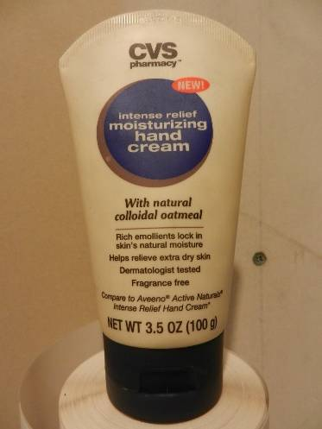 |  | CVS Intense relief Moisturizing hand Cream with natural colloidal oatmeal. Net wt. 3.5oz | 050428-475850 | 12 | 987 | 11844 | Coded
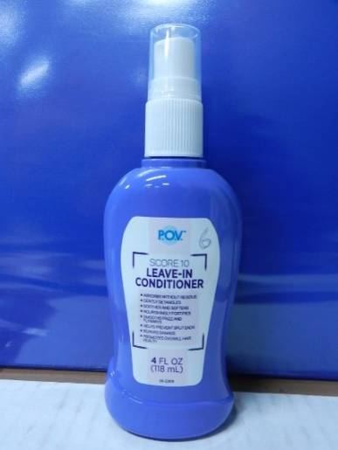 |  | POV Score 10 Leave in Conditioner. 4oz | 067153-948825 | 6 | 306 | 1836 | Coded
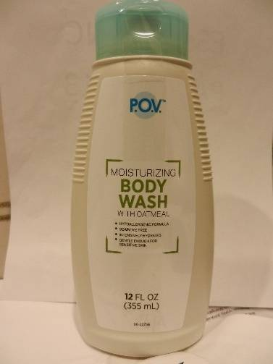 |  | POV Moisturizing Body Wash With Oatmeal. 12oz | 067153-948351 | 6 | 46 | 264 | Coded
 |  | POV Everday Body Lotion 8oz | 067153-949068 | 6 | 27 | 162 | Coded
 |  | POV Fresh Aloe Lotion 24.5oz | 067153-949051 | 6 | 39 | 234 | Coded
 |  | Beauty 360 Skin Soothing Body Wash 18oz | 050428-341780 | 6 | 35 | 210 | Coded
 |  | POV Mens Refreshing Body Wash. 33.8oz | 067153-949051 | 3 | 39 | 117 | Coded
 |  | POV Baby Wash Hair and Body. 18oz | 067153-949075 | 6 | 41 | 246 | coded
 |  | Equate Everday Clean Gentle Dandruff Shampoo and Conditioner With Pyrithione Zinc. Net Wt. 13.5oz | 681131-130578 | 6 | 200 | 1200 | Coded
 |  | CareOne Styling Gel. 16oz | 041520-865380 | 12 | 70 | 840 | Coded
 |  | Shopko Beauty Ultra Restoring Lotion With Aloe. 14oz | 010994-000245 | 6 | 560 | 3360 | Coded
 |  | Shopko Beauty green Apple 2 in 1 Dandruff shampoo and conditioner 23.7oz | 010994-00017 | 6 | 192 | 1152 | coded
 |  | Shopko Beauty Moisture Rich Conditioner with vitamin E. for dry, damaged hair. 28oz | 010994-00022 | 3 | 160 | 480 | coded
 |  | Shopko Beauty Moisture Rich Shampoo for dry, damaged hair. 28oz | 010994-00021 | 3 | 872 | 2616 | coded
 |  | Shopko Beauty Invigorating Clanser Facial wash. 8.1oz | 010994-00025 | 6 | 282 | 1692 | coded
 |  | SPA HAUS Mind and Body Naturally, therapeutic Keratin Oil Conditioner. 14oz. | 870929-004164 | 12 | 384 | 4608 | coded
 |  | SPA HAUS Mind and Body Naturally, moisturizing teatree mint Shampoo. 14oz. | 870929-002160 | 12 | 64 | 768 | coded
 |  | POV Moisturizing Body Wash With shea butter. 23.6oz | 067153-948238 | 4 | 1207 | 4828 | coded
 |  | Member's Selection Fragrance free Daily Moisturizing Lotion. 24oz | 607766-99004 | 288 | 3 | 864 | coded
 |  | Shopko Beauty Maximum Strength Medicated Dandruff Shampoo. 11oz | 010994-00020 | 6 | 249 | 1494 | coded
 |  | Daylogic 2 in 1 Dandruff Shampoo and Conditioner. 23.1oz | 11822-88802 | 6 | 101 | 606 | coded
 |  | POV Moisturizing Body Wash with Sea Butter. 33.8oz | 67153-94822 | 3 | 89 | 267 | coded
 |  | Equate Aloe Vera Body Wash. Net Wt. 1 Litter | 681131-64114 | 4 | 5 | 20 | coded
 |  | POV Rain Shower Gel 16oz. | 067153-948344 | 6 | 7 | 42 | coded
 |  | SILKIENCE BODY CARE Cremay Rich & Creamy Body Wash Gentle & Free. 16oz. | 870929-003815 | 12 | 34 | 396
 |  | SILKIENCE BODY CARE Cremay Body Wash, Moisturizing with Shea Butter 16oz. | 870929-002238 | 12 | 25 | 300
 |  | Inspire Premium Moisturizing Body Wash Fresh Water. 18oz | 870929-005406 | 12 | 25 | Oct-00
 |  | SILKIENCE SPA HAUS Mind and Body, Body Wash for Men Mountain Fresh. 16oz. | 870929-003808 | 12 | 60 | 720
 |  | SILKIENCE Hair Care Moisturizing Shampoo daily moisture renewal formula. 20 oz | 870929-003167 | 12 | 154 | 1848
 |  | SILKIENCE SPA HAUS Mind and Body, Falconridge Body Wash for Men. 16oz. | 870929-00379 | 12 | 66 | 792
 |  | SILKIENCE SPA HAUS Mind and Body, Stormy Seas Body Wash for Men. 16oz. | 870929-003778 | 12 | 46 | 528
 |  | SILKIENCE BATH AND SHOWER. Moisturizing Body Wash With Sea Butter and Provitamin B5. 16oz | 870929-003228 | 12 | 60 | 720
 |  | SPA HAUS Mind and Body Naturally, hair therapy Keratin Oil Shampoo. 14oz. | 870929-00428 | 12 | 63 | 756
 |  | SPA HAUS Mind and Body Naturally, moisturizing teatree mint Conditioner. 14oz. | 870929-004188 | 12 | 269 | 3228
 |  | SPA HAUS Mind and Body Naturally, therapeutic Keratin Oil Conditioner. 14oz. | 870929-004164 | 12 | 352 | 4224
 |  | Shopko Care Ice Mint Mouthwash. 1.5Litter. | 010994-00189 | 6 | 70 | 420
 |  | Shopko Care Alcohol Free Multi Action Mouthwash. 32oz | 010994-00190 | 6 | 139 | 834
 |  | RiteAid Renewal acne body scrub clear. 8.5oz | 011822-554862 | 12 | 401 | 4812
 |  | Silkience Ovation hand Soap Refreshing Mojito. 14oz | 870929-000249 | 12 | 137 | 1644
 |  | Silkience Spa Haus Cherry Blossom Body Mist. 8oz | 870929-002899 | 12 | 61 | 732

